Call Rate
Fabricante | MPCR | Call Rate | CIMA | Etiquetas de fila
CIMA | CIMA | 0.35 | Diebold Nixdorf | Diebold Nixdorf
SNBC | CTE1 SNBC | 0.35 | Diebold Procomp | DN
SNBC | CTE2 SNBC | 0.35 | GLORY | OPTEVA
SNBC | CTI UL SNBC | 0.35 | GRG Banking | OPTEVA ECRM
SNBC | CTI90 SNBC | 0.35 | GUNNEBO | OPTEVA MI
Diebold Nixdorf | DN | 0.5 | MEI | TAS ECRM
GLORY | GLORY P1000 | 0.35 | Prosegur | TAS MI
GLORY | GLORY P1001 | 0.35 | SNBC | GRG Banking
GLORY | GLORY P500 | 0.35 | Wincor | GRG H21
GLORY | GLORY TAS | 0.35 |  | GRG H22
GRG Banking | GRG H21 | 0.5 |  | GRG H34
GRG Banking | GRG H22 | 0.5 |  | GRG H68
GRG Banking | GRG H34 | 0.5 |  | Wincor
GRG Banking | GRG H68 | 0.5 |  | WINCOR
GUNNEBO | GUNNEBO | 0.2 |  | WINCOR MI
MEI | MEI | 0.35 |  | Total general
Diebold Nixdorf | OPTEVA | 0.5
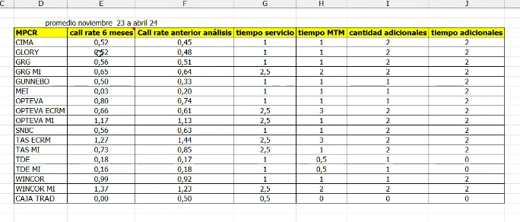
Diebold Nixdorf | OPTEVA ECRM | 0.7
Diebold Nixdorf | OPTEVA MI | 0.5
Prosegur | PROSEGUR | 1.3
Diebold Nixdorf | TAS ECRM | 1
Diebold Nixdorf | TAS MI | 0.5
Diebold Procomp | TDE | 0.3
Diebold Procomp | TDE MI | 0.5
Wincor | WINCOR | 0.5
Wincor | WINCOR MI | 0.5

